Siteplan
Irish Traffic Surveys LTD
Survey Name : |  | ITS J-1078 N11 Kilpedder
Site: |  | JTC 2
Date: |  | 10.03.2026
Time: |  | 06:00 -10:00, 13:00 - 19:00
Location: |  | 53.118558, -6.108867
Classification: |  | CAR, LGV, OGV1, OGV2, PSV, MC, PC
Grid Reference: |  | O 26648 09200
X: |  | 326648
Y: |  | 209200
Latitude: |  | 53.118558
Longitude: |  | -6.108867
Address (near): |  | Killickabawn Roundabout, Kilcoole ED, The Municipal District of Greystones, County Wicklow, Leinster, A63 DE00, Ireland
Site Overview
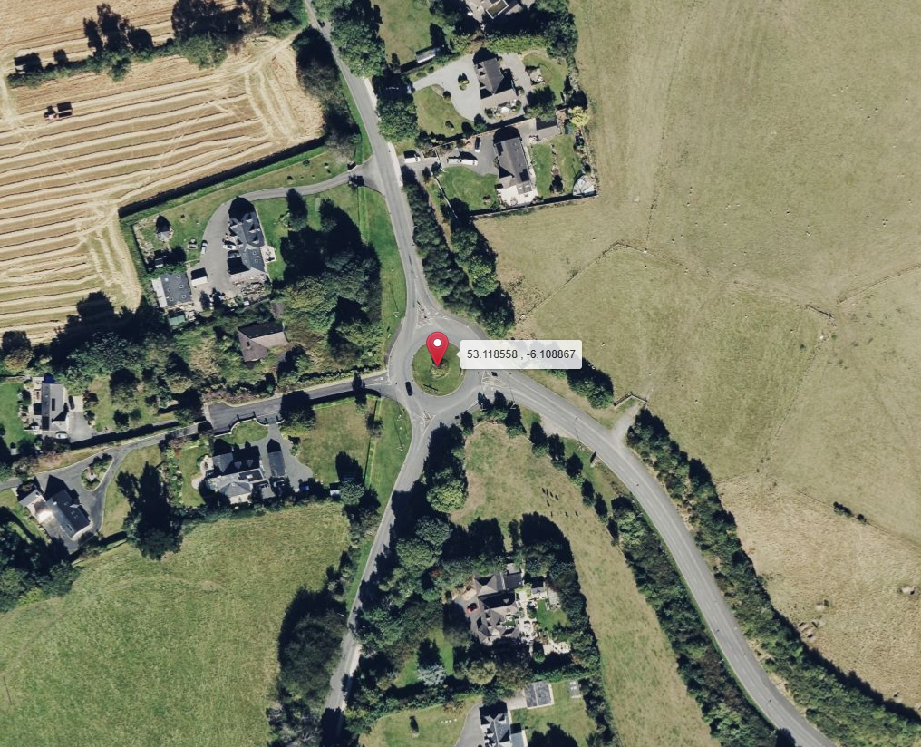

2

N
N

Description | Grid Reference | X | Y | Latitude | Longitude | Postcode | Address (near) | Point Link | Link For All Points | Link For All Points
53.118558 , -6.108867 | O 26648 09200 | 326648 | 209200 | 53.118558 | -6.108867 |  | Killickabawn Roundabout, Kilcoole ED, The Municipal District of Greystones, County Wicklow, Leinster, A63 DE00, Ireland | Link | Link for All 1 Points | Link for All 1 Points

Site 2 Mapping
Irish Traffic Surveys LTD
Survey Name : | ITS J-1078 N11 Kilpedder
Site: | JTC 2
Date: | 10.03.2026
Time: | 06:00 -10:00, 13:00 - 19:00
Location: | 53.118558, -6.108867
Classification: | CAR, LGV, OGV1, OGV2, PSV, MC, PC
Site 2 Cam T11 View |  | Aerial View
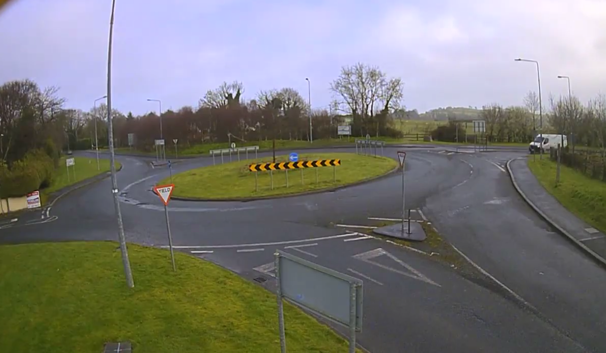
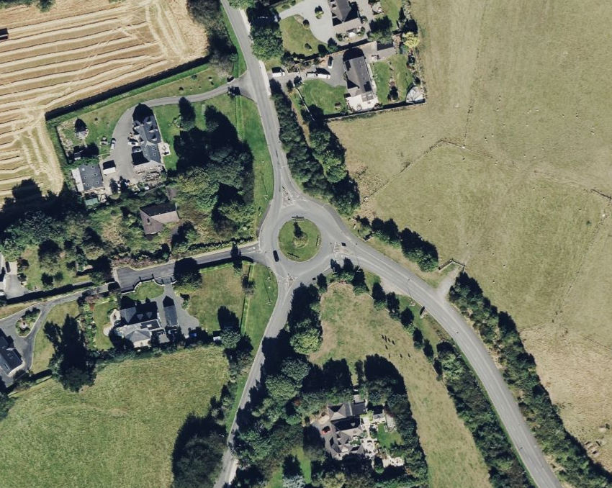

A

A
B
D
B

D
C

C
N

 |  | Co-ordinates: | 53.118558, -6.108867
 |  | Junction Type: | 4-Arm
 |  | Queues Required: | No
 |  | Pedestrian required: | No

Summary
Irish Traffic Surveys LTD
Survey Name : |  | ITS J-1078 N11 Kilpedder
Site: |  | JTC 2
Date: |  | 10.03.2026
Time: |  | 06:00 -10:00, 13:00 - 19:00
Location: |  | 53.118558, -6.108867
Classification: |  | CAR, LGV, OGV1, OGV2, PSV, MC, PC
Site 2 |  |  |  |  |  | Weather
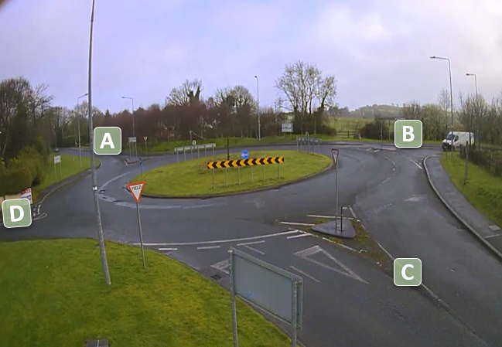
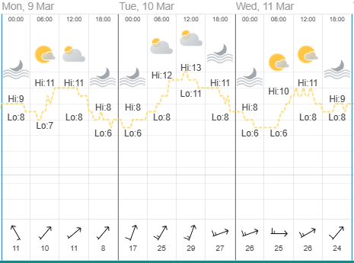

Vehicle Matrix
24 Hr Vehicle Matrix
24hr Matrix | A | B | C | D
A | 1 | 420 | 145 | 2
B | 533 | 6 | 397 | 6
C | 1121 | 768 | 5 | 1
D | 2 | 4 | 3 | 0
Totals | A | B | C | D
Entries | 568 | 942 | 1895 | 9
Exits | 1657 | 1198 | 550 | 9

Movement Totals
Movement | 24hr Total | % Total
A->A | 1 | 0.0%
A->B | 420 | 12.3%
A->C | 145 | 4.2%
A->D | 2 | 0.1%
B->A | 533 | 15.6%
B->B | 6 | 0.2%
B->C | 397 | 11.6%
B->D | 6 | 0.2%
C->A | 1121 | 32.8%
C->B | 768 | 22.5%
C->C | 5 | 0.1%
C->D | 1 | 0.0%
D->A | 2 | 0.1%
D->B | 4 | 0.1%
D->C | 3 | 0.1%
D->D | 0 | 0.0%
Total | 3414 | 100.0%
Hourly Totals
Hourly Totals
6:00:00 | 433
7:00:00 | 424
8:00:00 | 365
9:00:00 | 690
10:00:00 | 0
11:00:00 | 0
12:00:00 | 0
13:00:00 | 236
14:00:00 | 244
15:00:00 | 253
16:00:00 | 300
17:00:00 | 279
18:00:00 | 190
TIME | Period total | % of 24hr Total
6:00:00 | 433 | 13%
7:00:00 | 424 | 12%
8:00:00 | 365 | 11%
9:00:00 | 690 | 20%
10:00:00 | 0 | 0%
11:00:00 | 0 | 0%
12:00:00 | 0 | 0%
13:00:00 | 236 | 7%
14:00:00 | 244 | 7%
15:00:00 | 253 | 7%
16:00:00 | 300 | 9%
17:00:00 | 279 | 8%
18:00:00 | 190 | 6%
Total | 3414 | 100%
Hourly Totals by Class
Hourly Totals by Class
TIME | CAR | LGV | OGV1 | OGV2 | PSV | M/C | P/C | % of 24hr Total
6:00:00 | 339 | 81 | 4 | 5 | 4 | 0 | 0 | 13%
7:00:00 | 349 | 54 | 7 | 0 | 13 | 0 | 1 | 12%
8:00:00 | 319 | 27 | 6 | 1 | 11 | 0 | 1 | 11%
9:00:00 | 561 | 105 | 12 | 6 | 6 | 0 | 0 | 20%
10:00:00 | 0 | 0 | 0 | 0 | 0 | 0 | 0 | 0%
11:00:00 | 0 | 0 | 0 | 0 | 0 | 0 | 0 | 0%
12:00:00 | 0 | 0 | 0 | 0 | 0 | 0 | 0 | 0%
13:00:00 | 202 | 22 | 7 | 1 | 4 | 0 | 0 | 7%
14:00:00 | 200 | 31 | 6 | 4 | 3 | 0 | 0 | 7%
15:00:00 | 206 | 38 | 0 | 4 | 4 | 0 | 1 | 7%
16:00:00 | 247 | 38 | 5 | 2 | 6 | 0 | 2 | 9%
17:00:00 | 237 | 27 | 5 | 3 | 4 | 2 | 1 | 8%
18:00:00 | 172 | 12 | 0 | 1 | 4 | 1 | 0 | 6%
Total | 2832 | 435 | 52 | 27 | 59 | 3 | 6
% Total | 82.95% | 12.74% | 1.52% | 0.79% | 1.73% | 0.09% | 0.18%

